Data OECD
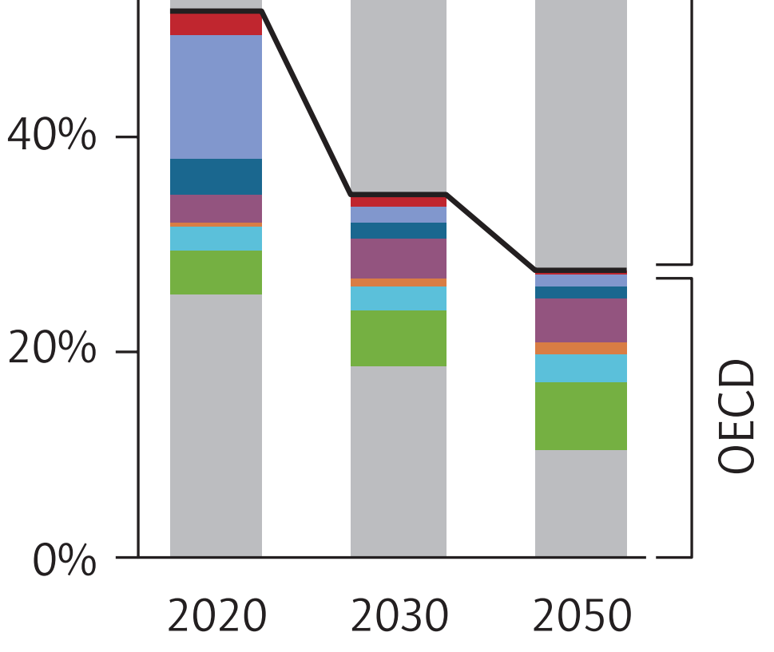
About: | This is a portion of Figure 4 on Page 22. It shows the breakdown of CCS by industry within the OECD.
 | The report only has this information as a graph, not in numbers. Fortunately, the graph is vector-based, so it is
 | possible to zoom in substantially, take a screenshot, and measure using a pixel ruler program.
 | See key to the colors and measurement results below.

 |  | Read from figure |  |  | Mapped onto model industry categories
 |  | Pixels | Pixels | Pixels |  | Pixels | Pixels | Pixels | % | % | %
 |  | 2020 | 2030 | 2050 |  | 2020 | 2030 | 2050 | 2020 | 2030 | 2050
 | Refining (red) | 27 | 12 | 2 | cement and other carbonates | 5 | 10 | 15 | 1.9% | 10.9% | 18.1%
 | Gas processing (light blue) | 155 | 18 | 15 | natural gas and petroleum systems | 182 | 30 | 17 | 68.7% | 32.6% | 20.5%
 | Chemicals (dark blue) | 46 | 21 | 16 | iron and steel | 32 | 31 | 35 | 12.1% | 33.7% | 42.2%
 | Gas power (purple) | 36 | 49 | 54 | chemicals | 46 | 21 | 16 | 17.4% | 22.8% | 19.3%
 | Cement (orange) | 5 | 10 | 15
 | Iron and steel (turquoise) | 32 | 31 | 35 | By Model Sector
 | Bioenergy (green) | 53 | 69 | 85 |  | Pixels | Pixels | Pixels | % | % | %
 | Coal power (gray) | 328 | 238 | 133 |  | 2020 | 2030 | 2050 | 2020 | 2030 | 2050
 |  |  |  |  | electricity sector | 417 | 356 | 272 | 64.2% | 85.4% | 85.0%
 |  |  |  |  | industry sector | 233 | 61 | 48 | 35.8% | 14.6% | 15.0%

 |  |  |  |  | Mapped onto model electricity source categories
 |  |  |  |  |  | Pixels | Pixels | Pixels | % | % | %
 |  |  |  |  |  | 2020 | 2030 | 2050 | 2020 | 2030 | 2050
 |  |  |  |  | coal | 328 | 238 | 133 | 78.7% | 66.9% | 48.9%
 |  |  |  |  | natural gas | 36 | 49 | 54 | 8.6% | 13.8% | 19.9%
 |  |  |  |  | biomass | 53 | 69 | 85 | 12.7% | 19.4% | 31.3%

Data Non-OECD
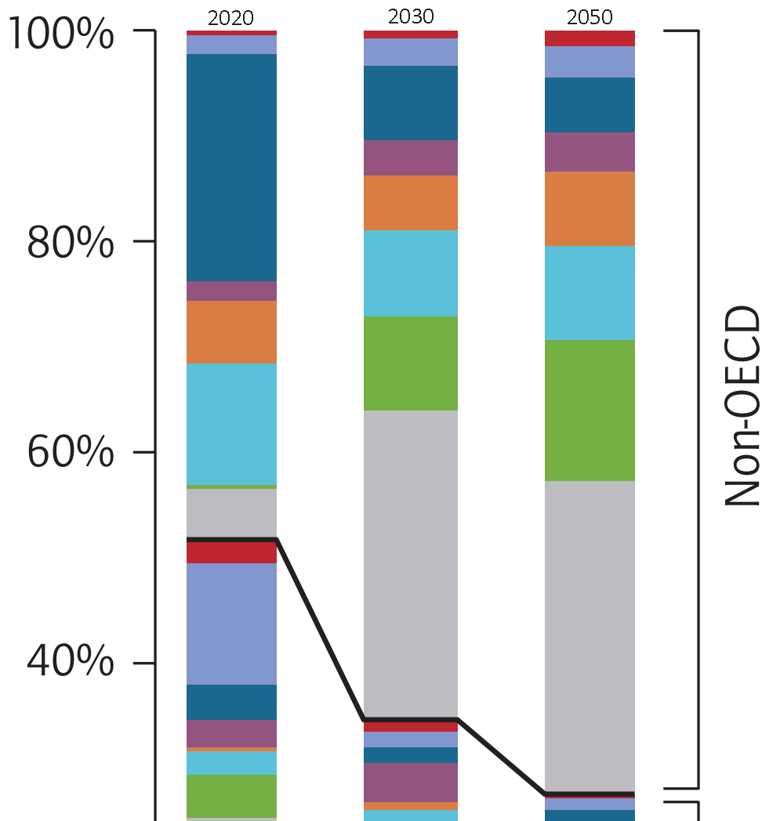
About: | This is a portion of Figure 4 on Page 22. It shows the breakdown of CCS by industry within the non-OECD.
 | The report only has this information as a graph, not in numbers. Fortunately, the graph is vector-based, so it is
 | possible to zoom in substantially, take a screenshot, and measure using a pixel ruler program.
 | See key to the colors and measurement results below.

 |  | Read from figure |  |  | Mapped onto model industry categories
 |  | Pixels | Pixels | Pixels |  | Pixels | Pixels | Pixels | % | % | %
 |  | 2020 | 2030 | 2030 |  | 2020 | 2030 | 2050 | 2020 | 2030 | 2050
 | Refining (red) | 6 | 10 | 20 | cement and other carbonates | 78 | 69 | 94 | 14.3% | 21.9% | 27.6%
 | Gas processing (light blue) | 24 | 34 | 39 | natural gas and petroleum systems | 30 | 44 | 59 | 5.5% | 14.0% | 17.4%
 | Chemicals (dark blue) | 285 | 94 | 69 | iron and steel | 153 | 108 | 118 | 28.0% | 34.3% | 34.7%
 | Gas power (purple) | 25 | 44 | 49 | chemicals | 285 | 94 | 69 | 52.2% | 29.8% | 20.3%
 | Cement (orange) | 78 | 69 | 94
 | Iron and steel (turquoise) | 153 | 108 | 118 | By Model Sector
 | Bioenergy (green) | 5 | 118 | 177 |  | Pixels | Pixels | Pixels | % | % | %
 | Coal power (gray) | 60 | 384 | 389 |  | 2020 | 2030 | 2050 | 2020 | 2030 | 2050
 |  |  |  |  | electricity sector | 90 | 546 | 615 | 18.6% | 72.5% | 73.5%
 |  |  |  |  | industry sector | 393 | 207 | 222 | 81.4% | 27.5% | 26.5%

 |  |  |  |  | Mapped onto model electricity source categories
 |  |  |  |  |  | Pixels | Pixels | Pixels | % | % | %
 |  |  |  |  |  | 2020 | 2030 | 2050 | 2020 | 2030 | 2050
 |  |  |  |  | coal | 60 | 384 | 389 | 66.7% | 70.3% | 63.3%
 |  |  |  |  | natural gas | 25 | 44 | 49 | 27.8% | 8.1% | 8.0%
 |  |  |  |  | biomass | 5 | 118 | 177 | 5.6% | 21.6% | 28.8%

